Sheet1
Scenario Name | State Policy Aligned

 | Column Labels
 | Average of GHG Emissions Avoided (Average) (CO2e million metric ton/year) | Average of GHG Emissions Avoided (Minimum) (CO2e million metric ton/year) | Average of GHG Emissions Avoided (Maximum) (CO2e million metric ton/year)
Row Labels | Electricity | Electricity | Electricity
2025 | 0.10435576608 | 0.095675595591 | 0.11303593584
2026 | 0.20076126557 | 0.18221670127 | 0.21930582842
2027 | 0.28679397843 | 0.25750182102 | 0.31608613373
2028 | 0.36368516123 | 0.3227596824 | 0.40461063729
2029 | 0.43165069441 | 0.37829263965 | 0.48500874578
2030 | 0.49187732237 | 0.42524772408 | 0.55850691667
2031 | 0.54318062185 | 0.46270908169 | 0.62365215744
2032 | 0.58729273878 | 0.4922838974 | 0.68230157502
2033 | 0.62320427373 | 0.513243695 | 0.73316484681
2034 | 0.69254579031 | 0.55938138072 | 0.82571019336
2035 | 0.71337943577 | 0.56397244154 | 0.86278642299
2036 | 0.72762070143 | 0.5616694996 | 0.89357189581
2037 | 0.73559491498 | 0.55287398316 | 0.91831583893
2038 | 0.73769719697 | 0.53803901551 | 0.93735537015
2039 | 0.73422560117 | 0.51754345761 | 0.9509077361
2040 | 0.72551138167 | 0.49179179856 | 0.95923095578
2041 | 0.71188579252 | 0.46118852749 | 0.96258304824
2042 | 0.69368008782 | 0.42613813353 | 0.96122203251
2043 | 0.6712123166 | 0.38703749145 | 0.95538713188
2044 | 0.67274108947 | 0.35920435457 | 0.98627781381
2045 | 0.64125955917 | 0.31114136808 | 0.9713777395

Sheet2
Scenario Name | State Policy Aligned

 | Column Labels
 | Sum of Total Jobs (Lower) |  |  | Sum of Total Jobs (Upper) |  |  |  | Lower Total |  |  | Upper Total
Row Labels | Solar | Solar (Off-Grid) | Wind | Solar | Solar (Off-Grid) | Wind | Row Labels | Solar | Solar (Off-Grid) | Wind | Solar | Solar (Off-Grid) | Wind
2025 | 119.23122 | 0 | 8.47737 | 7153.8732 | 0 | 67.81896 | 2025 | 123.30402 |  | 2.14075 | 7398.2412 |  | 17.126
2026 | 119.23122 | 0 | 9.67619 | 7153.8732 | 0 | 77.40952 | 2026 | 246.60804 |  | 4.2815 | 14796.4824 |  | 34.252
2027 | 119.23122 | 0 | 9.67619 | 7153.8732 | 0 | 77.40952 | 2027 | 357.69366 |  | 6.42225 | 21461.6196 |  | 51.378
2028 | 119.23122 | 0 | 9.67619 | 7153.8732 | 0 | 77.40952 | 2028 | 476.92488 |  | 8.563 | 28615.4928 |  | 68.504
2029 | 119.1294 | 0 | 9.67619 | 7147.764 | 0 | 77.40952 | 2029 | 596.05428 |  | 10.70375 | 35763.2568 |  | 85.63
2030 | 119.23122 | 233.15531659 | 9.67619 | 7153.8732 | 13989.318995 | 77.40952 | 2030 | 715.2855 | 190.80789041 | 12.75887 | 42917.13 | 11448.473425 | 102.07096
2031 | 119.23122 | 29.7731862 | 9.67619 | 7153.8732 | 1786.391172 | 77.40952 | 2031 | 834.51672 |  | 14.89962 | 50071.0032 |  | 119.19696
2032 | 119.23122 | 29.7731862 | 9.67619 | 7153.8732 | 1786.391172 | 77.40952 | 2032 | 953.74794 |  | 17.04037 | 57224.8764 |  | 136.32296
2033 | 119.23122 | 29.7731862 | 9.67619 | 7153.8732 | 1786.391172 | 77.40952 | 2033 | 1072.97916 |  | 19.18112 | 64378.7496 |  | 153.44896
2034 | 119.23122 | 29.7731862 | 9.67619 | 7153.8732 | 1786.391172 | 77.40952 | 2034 | 1192.21038 |  | 21.32187 | 71532.6228 |  | 170.57496
2035 | 119.23122 | 29.7731862 | 9.67619 | 7153.8732 | 1786.391172 | 77.40952 | 2035 | 1356.2424 |  | 23.46262 | 81374.544 |  | 187.70096
2036 | 119.23122 | 29.7731862 | 9.67619 | 7153.8732 | 1786.391172 | 77.40952 | 2036
2037 | 119.1294 | 29.7731862 | 9.67619 | 7147.764 | 1786.391172 | 77.40952 | 2037
2038 | 119.23122 | 29.7731862 | 9.67619 | 7153.8732 | 1786.391172 | 77.40952 | 2038
 | Solar | Solar (Off-Grid) | Wind
 | 123.30402 |  | 2.14075
 | 246.60804 |  | 4.2815
 | 357.69366 |  | 6.42225
 | 476.92488 |  | 8.563
 | 596.05428 |  | 10.70375
 | 715.2855 | 190.80789041 | 12.75887
 | 834.51672 |  | 14.89962
 | 953.74794 |  | 17.04037
 | 1072.97916 |  | 19.18112
 | 1192.21038 |  | 21.32187
 | 1356.2424 |  | 23.46262
2039 | 119.23122 | 29.7731862 | 9.67619 | 7153.8732 | 1786.391172 | 77.40952 | 2039
2040 | 119.23122 | 29.7731862 | 9.67619 | 7153.8732 | 1786.391172 | 77.40952 | 2040
2041 | 119.23122 | 29.7731862 | 9.67619 | 7153.8732 | 1786.391172 | 77.40952 | 2041
2042 | 119.23122 | 29.7731862 | 9.67619 | 7153.8732 | 1786.391172 | 77.40952 | 2042
2043 | 119.23122 | 29.7731862 | 9.59056 | 7153.8732 | 1786.391172 | 76.72448 | 2043
2044 | 119.23122 | 29.7731862 | 9.67619 | 7153.8732 | 1786.391172 | 77.40952 | 2044
2045 | 119.23122 | 29.7731862 | 9.67619 | 7153.8732 | 1786.391172 | 77.40952 | 2045

Scenario Name | State Policy Aligned

Row Labels | Sum of Total Jobs (Lower) | Sum of Total Jobs (Upper)
2025 | 127.70859 | 7221.69216
2026 | 128.90741 | 7231.28272
2027 | 128.90741 | 7231.28272
2028 | 128.90741 | 7231.28272
2029 | 128.80559 | 7225.17352
2030 | 362.06272659 | 21220.601715
2031 | 158.6805962 | 9017.673892
2032 | 158.6805962 | 9017.673892
2033 | 158.6805962 | 9017.673892
2034 | 158.6805962 | 9017.673892
2035 | 158.6805962 | 9017.673892
2036 | 158.6805962 | 9017.673892
2037 | 158.5787762 | 9011.564692
2038 | 158.6805962 | 9017.673892
2039 | 158.6805962 | 9017.673892
2040 | 158.6805962 | 9017.673892
2041 | 158.6805962 | 9017.673892
2042 | 158.6805962 | 9017.673892
2043 | 158.5949662 | 9016.988852
2044 | 158.6805962 | 9017.673892
2045 | 158.6805962 | 9017.673892

Scenario Name | State Policy Aligned

Row Labels | Sum of High school diploma or equivalent (None or some training) | Sum of High school diploma or equivalent (Apprenticeship or long term training) | Sum of Bachelor's degree (None or some training) | Sum of Doctoral or professional degree
2025 | 42.853 | 37.0713 | 41.0914 | 6.69289
2026 | 43.1834 | 37.6439 | 41.3714 | 6.70871
2027 | 43.1834 | 37.6439 | 41.3714 | 6.70871
2028 | 43.1834 | 37.6439 | 41.3714 | 6.70871
2029 | 43.1488 | 37.6157 | 41.338 | 6.70309
2030 | 122.41315795 | 102.2184426 | 117.85330507 | 19.577820973
2031 | 53.300786 | 45.889862 | 51.137894 | 8.3520542
2032 | 53.300786 | 45.889862 | 51.137894 | 8.3520542
2033 | 53.300786 | 45.889862 | 51.137894 | 8.3520542
2034 | 53.300786 | 45.889862 | 51.137894 | 8.3520542
2035 | 53.300786 | 45.889862 | 51.137894 | 8.3520542
2036 | 53.300786 | 45.889862 | 51.137894 | 8.3520542
2037 | 53.266186 | 45.861662 | 51.104494 | 8.3464342
2038 | 53.300786 | 45.889862 | 51.137894 | 8.3520542
2039 | 53.300786 | 45.889862 | 51.137894 | 8.3520542
2040 | 53.300786 | 45.889862 | 51.137894 | 8.3520542
2041 | 53.300786 | 45.889862 | 51.137894 | 8.3520542
2042 | 53.300786 | 45.889862 | 51.137894 | 8.3520542
2043 | 53.277186 | 45.848962 | 51.117894 | 8.3509242
2044 | 53.300786 | 45.889862 | 51.137894 | 8.3520542
2045 | 53.300786 | 45.889862 | 51.137894 | 8.3520542

Assumptions
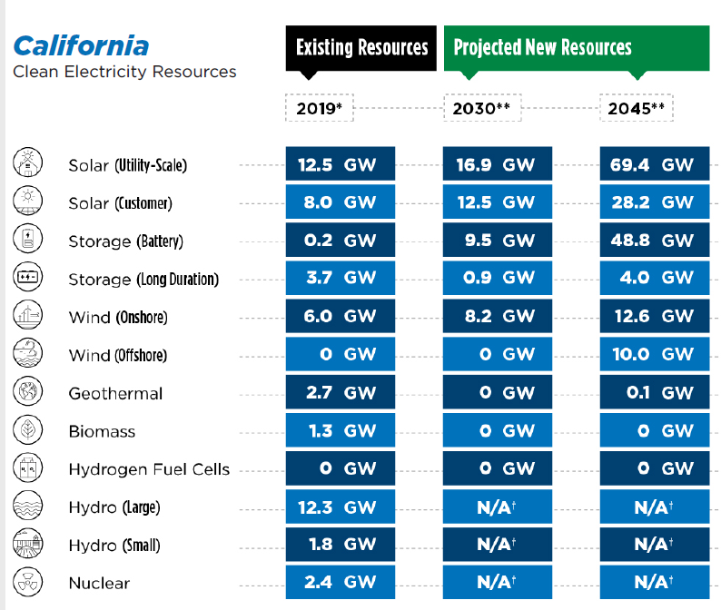
H2 Conversion | Source: NREL Resource Assessment for Hydrogen Production (2020)
Feedstock | ConversionTech | Amount to produce 1kg H2 | Unit | Energy content in MJ | Production Efficiency in % | Hydrogen Energy per kg | unit2
Natural Gas | Steam Methane Reforming | 167 | scf | 165 | 73% | 120 | MJ
Coal | Coal Gasification | 8.6 | kg | 225 | 53.50% | 120 | MJ
Nuclear | High Temp Electrolysis | 4.62E-05 | kg U | 240 | 50.20% | 120 | MJ
Biomass | Biomass Gasification | 13 | kg bone dry biomass | 242 | 48.30% | 120 | MJ
Biomethane | Steam Methane Reforming | 3.29 | kg methane | 165 | 73% | 120 | MJ
Solar | Low Temp Electrolysis | 51.3 | kWh | 185 | 64.90% | 120 | MJ
Wind | Low Temp Electrolysis | 51.3 | kWh | 185 | 64.90% | 120 | MJ
Hydro | Low Temp Electrolysis | 51.3 | kWh | 185 | 64.90% | 120 | MJ
Geothermal | Low Temp Electrolysis | 51.3 | kWh | 185 | 64.90% | 120 | MJ

Energy Content Conversion |  |  |  |  |  |  |  |  |  |  |  | 0
Feedstock | Value | Unit | Source
Natural Gas | 1036 | BTU per scf (HHV) | March 2020 monthly energy review (EIA)
Natural Gas | 1.093 | MJ per scf | EIA Energy conversion Factor |  | https://www.eia.gov/energyexplained/units-and-calculators/energy-conversion-calculators.php
Hydrogen_LHV | 120 | MJ per kg H2 | DOE website (120 MJ per kg h2) |  |  | Blue H2 Potential
Biomass_LHV | 18.6 | MJ per kg biomass (LHV) | H2A Conversion Factor (Biomass Multi-Year Program Plan Feedstock) |  |  | 10950 | ton | 1314000 | MJ | 1.314E-07 | EJ
Biomass_HHV | 19.7 | MJ per kg biomass (HHV) | Lopez et al. (2012) |  |  | 21900 |  | 2628000 |  | 2.628E-07
Biomethane_LHV | 50 | MJ per kg biomethane (LHV) | Saur and Milbrandt (2014)
Biomethane_HHV | 56.4 | MJ per kg biomethane (HHV) | Lopez et al. (2012)
Electricity | 293.07 | kWh per MMBtu | CEC LCFS 2022 Lookup Table |  | https://ww2.arb.ca.gov/sites/default/files/classic/fuels/lcfs/fuelpathways/comments/tier2/2022_elec_update.pdf
Electricity | 0.00028 | MWh per MJ | conversion
Electricity | 3.60E-09 | EJ per MWh | conversion

Resource Constraints in CV
Column1 | Biomass_BDT | Wind_MW | Solar_MW | LDES_MW | H2_kg
Technical Resource Potential | 12,400,000
Source | LLNL Getting to Neutral Appendix B. Biomass Feedstock County Tables |  |  |  |  |  |  |  |  |  |  | Total_H2
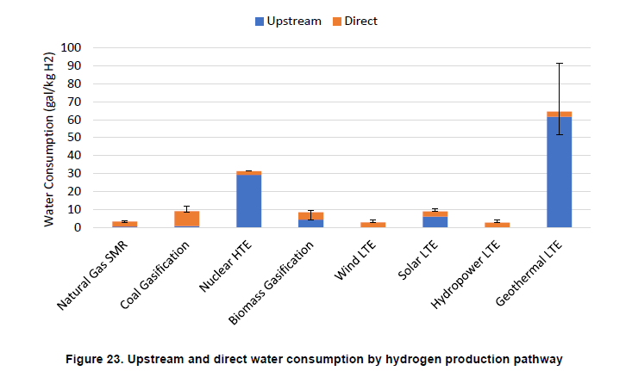

Water Use during H2 Production |  | Source: NREL Resource Assessment for Hydrogen Production (2020) Fig.22 |  |  |  |  |  |  |  |  |  | SMR w/CC
Conversion Tech | Average Direct Water Consumption (Gal/ kg h2) | Key
Centralized NG SMR | 2.8 | SMR |  |  |  |  |  |  |  |  |  | Grid-Connected Electrolysis
Centralized Biomass Gasification | 4.1 | BIO | Biomass resources include corn stover, willow, poplar, switchgrass, forest residue, and miscanthus
High Temperature Electrolysis | 2.1
Distributed Electrolysis | 2.9
Centralized Electroysis | 4.1 | GRI
Centralized Electroysis | 4.1 | OFF

Carbon Capture Efficiency |  | https://www.llnl.gov/sites/gs/files/2023-06/ca-ccs-economic-study-report-v06.pdf
Efficiency | Description | Source
90% | Capture Rate for on-site CCS | LLNL, Sharing the benefit, 2023

Construction Periods
Technology | Min Period | Max Period
Geologic CO2 storage | 6 | 19

SMR Process Emissions Factor g CO2e per MJ (not including fusitive emissions) |  | https://onlinelibrary.wiley.com/doi/pdf/10.1002/ese3.956 |  | CA GREET 3.0: SMR NG- 125.97 g per MJ
Product | Conversion Tech | Production Process | Energy to drive SMR | Energy Compressing H2 | Energy to Power CCS | Total Emission | source
Gray H2 | SMR | 38.5 | 31.8 |  | 0 | 70.3 | Howarth and Jacobson (2021)
Blue H2 (w CCS 90% capture rate) | SMR | 3.85 | 31.8 |  | 8.2 | 43.85 | Howarth and Jacobson (2021)
Gray H2 | SMR |  |  |  |  | 117.67 | CARB LCFS Table 7.1 Lookup Table (GREET 3.0) |  |  | https://ww2.arb.ca.gov/sites/default/files/classic/fuels/lcfs/ca-greet/lut.pdf?_ga=2.94958684.1139203258.1701039068-1524579603.1683167939
Blue H2 (w CCS 90% capture rate) | SMR | 0 | 0 | 0 |  | 73.40 | Estimated
Green H2 | Electrolysis | 0 |  |  |  | 10.51 | CARB LCFS Table 7.1 Lookup Table (GREET 3.0)

Transportation Sector Direct Emissions Factor g CO2e per MJ |  | source: Scoping Plan
Fuel | EF g CO2e per MJ
Diesel | 68.4
Gasoline | 67.2
Jet Fuel | 68.4

 |  | 2.47 | 1.729 | 4.199 | acres per MW
 |  | 2.47 | acre per hectare | This implies a total direct impact area (both temporary and permanently disturbed land) of about 1 ± 0.7 hectare/MW, but with a wide variation in this area.
Land Use acres per MW | NREL study (NREL 2013 and NREL 2009) |  | solar power density: 48 to 32 MW/km2 -> 5.1 ~ 7.7 acres per MW (NREL 2020 Resource Assessment for Hydrogen Production)
Tech | AVG | MIN | MAX | Column1
Solar | 3.5 | 2.8 | 4.2 | IEEE
Solar_Total | 7.9 | 7.5 | 13 | NREL (old)
Wind | 2.5 | 0.8 | 4.2 | Direct
Wind_Total | 82 | 24 | 123 | Total

Power Sector Average Emissions Intensities |  | source: CPUC CPS, Scoping Plan: BAU and SP, SB100 |  | 7.67E-06 | MT CO2e per MJ (CEC 2022 LCFS Look up table value for average grid CI)
Year | AVG CO2e MT per MWh | MIN CO2e MT per MWh | MAX CO2e MT per MWh | AVG CO2e MT per MJ | MIN CO2e MT per MJ | MAX CO2e MT per MJ
2025 | -0.1440 | -0.1321 | -0.1560 | -4.0E-05 | -3.7E-05 | -4.3E-05
2026 | -0.1398 | -0.1269 | -0.1527 | -3.9E-05 | -3.5E-05 | -4.2E-05
2027 | -0.1356 | -0.1217 | -0.1494 | -3.8E-05 | -3.4E-05 | -4.2E-05
2028 | -0.1314 | -0.1166 | -0.1461 | -3.6E-05 | -3.2E-05 | -4.1E-05
2029 | -0.1271 | -0.1114 | -0.1429 | -3.5E-05 | -3.1E-05 | -4.0E-05
2030 | -0.1229 | -0.1063 | -0.1396 | -3.4E-05 | -3.0E-05 | -3.9E-05
2031 | -0.1187 | -0.1011 | -0.1363 | -3.3E-05 | -2.8E-05 | -3.8E-05
2032 | -0.1145 | -0.0959 | -0.1330 | -3.2E-05 | -2.7E-05 | -3.7E-05
2033 | -0.1102 | -0.0908 | -0.1297 | -3.1E-05 | -2.5E-05 | -3.6E-05
2034 | -0.1060 | -0.0856 | -0.1264 | -2.9E-05 | -2.4E-05 | -3.5E-05
2035 | -0.1018 | -0.0805 | -0.1231 | -2.8E-05 | -2.2E-05 | -3.4E-05
2036 | -0.0976 | -0.0753 | -0.1198 | -2.7E-05 | -2.1E-05 | -3.3E-05
2037 | -0.0933 | -0.0702 | -0.1165 | -2.6E-05 | -1.9E-05 | -3.2E-05
2038 | -0.0891 | -0.0650 | -0.1132 | -2.5E-05 | -1.8E-05 | -3.1E-05
2039 | -0.0849 | -0.0598 | -0.1099 | -2.4E-05 | -1.7E-05 | -3.1E-05
2040 | -0.0807 | -0.0547 | -0.1067 | -2.2E-05 | -1.5E-05 | -3.0E-05
2041 | -0.0764 | -0.0495 | -0.1034 | -2.1E-05 | -1.4E-05 | -2.9E-05
2042 | -0.0722 | -0.0444 | -0.1001 | -2.0E-05 | -1.2E-05 | -2.8E-05
2043 | -0.0680 | -0.0392 | -0.0968 | -1.9E-05 | -1.1E-05 | -2.7E-05
2044 | -0.0638 | -0.0341 | -0.0935 | -1.8E-05 | -9.5E-06 | -2.6E-05
2045 | -0.0596 | -0.0289 | -0.0902 | -1.7E-05 | -8.0E-06 | -2.5E-05

Emissions Intensity (Currently certified CI GREET 3.0) |  | https://ww2.arb.ca.gov/sites/default/files/2020-09/basics-notes.pdf |  |  |  | https://ww2.arb.ca.gov/sites/default/files/classic/fuels/lcfs/ca-greet/temp.pdf?_ga=2.126556234.697753401.1701988818-1524579603.1683167939
Fuel Type | key | Average of Current Certified CI (GREET 3.0) | Min of Current Certified CI (GREET 3.0) | Max of Current Certified CI (GREET 3.0) | Feedstock | Fossil baseline
Alternative Jet Fuel (AJF) | Soy | 70.0 | 70.0 | 47.5 | Soybean Oil and Corn Oil (AVG)
Alternative Jet Fuel (AJF) | Ani | 50.0 | 50.0 | 32.8 | Annimal Fat and Waste Oil (AVG)
CNG | AD | -150.0 | -132.5 | -328.8 | Dairy Manure | 100.0
CNG | Fo | 45.0 | 45.0 | -54.1 | Food scrap | 100.0
H2 | NG | 129.9 | 176.4 | 105.1 | NG | 185.0

Avoided Intensity (Currently certified CI GREET 3.0)
Fuel | RJF
Feedstock | Animal Fat and Waste Oil | Animal Fat and Waste Oil | Animal Fat and Waste Oil | Soybean Oil and Corn Oil | Soybean Oil and Corn Oil | Soybean Oil and Corn Oil
Year | AVG | MIN | MAX | AVG | MIN | MAX
2024 | -37.89 | -37.89 | -55.09 | -17.89 | -17.89 | -40.39
2025 | -36.64 | -36.64 | -53.84 | -16.64 | -16.64 | -39.14
2026 | -35.38 | -35.38 | -52.58 | -15.38 | -15.38 | -37.88
2027 | -34.13 | -34.13 | -51.33 | -14.13 | -14.13 | -36.63
2028 | -32.87 | -32.87 | -50.07 | -12.87 | -12.87 | -35.37
2029 | -31.62 | -31.62 | -48.82 | -11.62 | -11.62 | -34.12
2030 | -30.36 | -30.36 | -47.56 | -10.36 | -10.36 | -32.86
2031 | -30.36 | -30.36 | -47.56 | -10.36 | -10.36 | -32.86
2032 | -30.36 | -30.36 | -47.56 | -10.36 | -10.36 | -32.86
2033 | -30.36 | -30.36 | -47.56 | -10.36 | -10.36 | -32.86
2034 | -30.36 | -30.36 | -47.56 | -10.36 | -10.36 | -32.86
2035 | -30.36 | -30.36 | -47.56 | -10.36 | -10.36 | -32.86
2036 | -30.36 | -30.36 | -47.56 | -10.36 | -10.36 | -32.86
2037 | -30.36 | -30.36 | -47.56 | -10.36 | -10.36 | -32.86
2038 | -30.36 | -30.36 | -47.56 | -10.36 | -10.36 | -32.86
2039 | -30.36 | -30.36 | -47.56 | -10.36 | -10.36 | -32.86
2040 | -30.36 | -30.36 | -47.56 | -10.36 | -10.36 | -32.86
2041 | -30.36 | -30.36 | -47.56 | -10.36 | -10.36 | -32.86
2042 | -30.36 | -30.36 | -47.56 | -10.36 | -10.36 | -32.86
2043 | -30.36 | -30.36 | -47.56 | -10.36 | -10.36 | -32.86
2044 | -30.36 | -30.36 | -47.56 | -10.36 | -10.36 | -32.86
2045 | -30.36 | -30.36 | -47.56 | -10.36 | -10.36 | -32.86

Avoided Carbon Intensity for Biogas
 | AVG | MIN | MAX
Food Waste | -34.2 | -34.2 | -133.3
AD - Animal Manure | -229.2 | -211.7 | -408.0

Job
Tech | High school diploma or equivalent (# of Jobs) | Bachelor's degree (# of Jobs) | Doctoral or professional degree (# of Jobs)
Solar | 0.0628 | 0.0334 | 0.00562
Wind | 0.0645 | 0.02 | 0.00113

Job with training requirement (jobs per MW)
`Typical Entry Level Education` | `Typical On-The-Job Training` | Solar | Wind
High school diploma or equivalent (None or some training) | None or some training | 0.0346 | 0.0236
High school diploma or equivalent (Apprenticeship or long term training) | Apprenticeship or long term training | 0.0282 | 0.0409
Bachelor's degree (None or some training) | None or some training | 0.0334 | 0.0200
Doctoral or professional degree | None | 0.00562 | 0.0011
Total | Lower | 0.1018 | 0.0856
Total | Upper | 6.1092 | 0.6850

